一、project description
Project Summary
Project goal | 1. Based on the Chogori platform, a distributed memory Schema-aware KV (SKV) system, evaluate the system performance of the memory tiered architecture and make use of the SKV architecture. 2. Based on the evaluation result, design a efficient single-node full-memory index structure and study its application scenarios. 3. Based on the evaluation result, optimize the object storage system with the hybrid memory architecture and study its application scenarios. 4. Based on the SKV architecture, design the NDP operator acceleration system of the graph storage engine and study its application scenarios.
Project plan
System architecture | 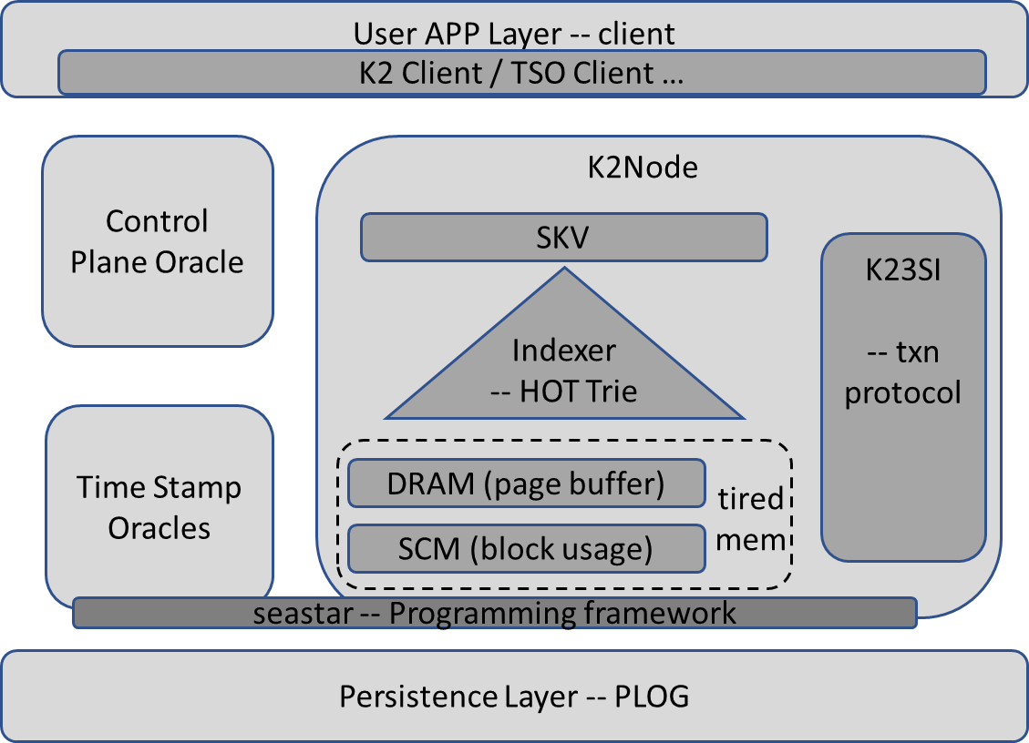 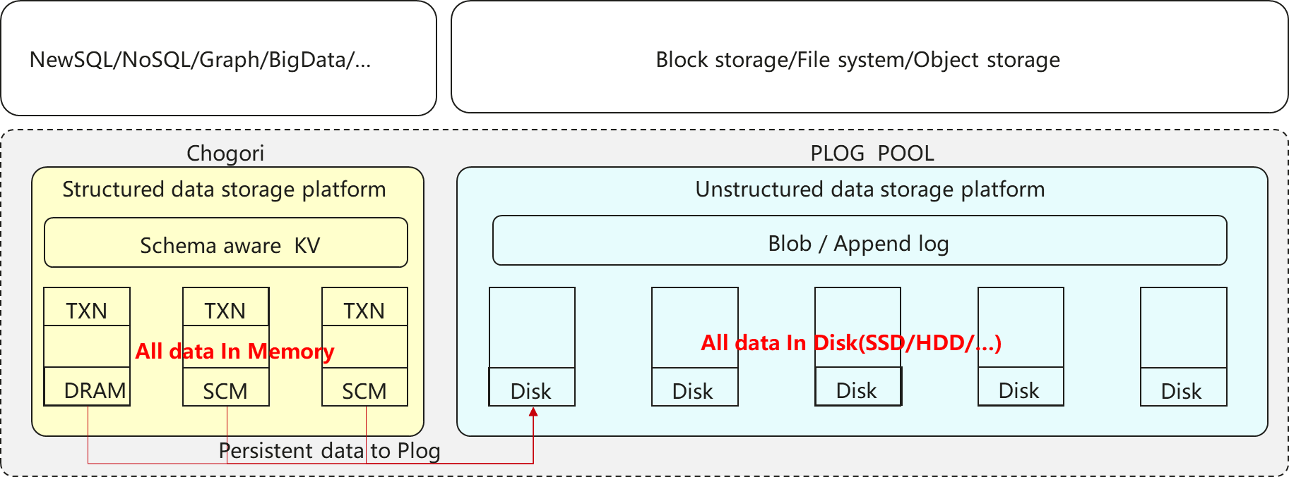
Biweekly Overall Progress（from Start - 2021.1.14）
Overall Progress： 1. Survey on the memory index, MVCC, page cache policies, and distributed transaction protocol; 2. Successfully deploy and run Chogori open source project; 3. Preliminarily understand and design how to find an empty slot for the hot row in the PBRB cache. 4. Preliminarily understand where and how index work in Chogori project. 5. Simply learn the plog design framework in chogori. 6. Investigate the data layout of graph and compare with SKV. 7. K23SI transaction optimization about write intent pending. Next Plan： 1. Following the indexer branch, (define a unified interface if necessary), implement the indexer module and integrate the hot trie index (Yirui Lai). 2. Implement a basic PBRB cache, include alocate and reclaim pages, find empty rows from pages, read/insert hot row from/to PBRB and eviction policy (Qiang Zhang and Ruida Xu). 3. Research on persistent Memory and Plog (Zhen Liu) 4. K23SI transaction optimization (Zuo Shun) 5. Graph database survey (How to efficiently use SKV to represent graphs.)(Mingxiang Lu) 6. Implement K23SI transaction optimization schema(Zuo Shun)
Risks & Help-seeking

